Dashboard
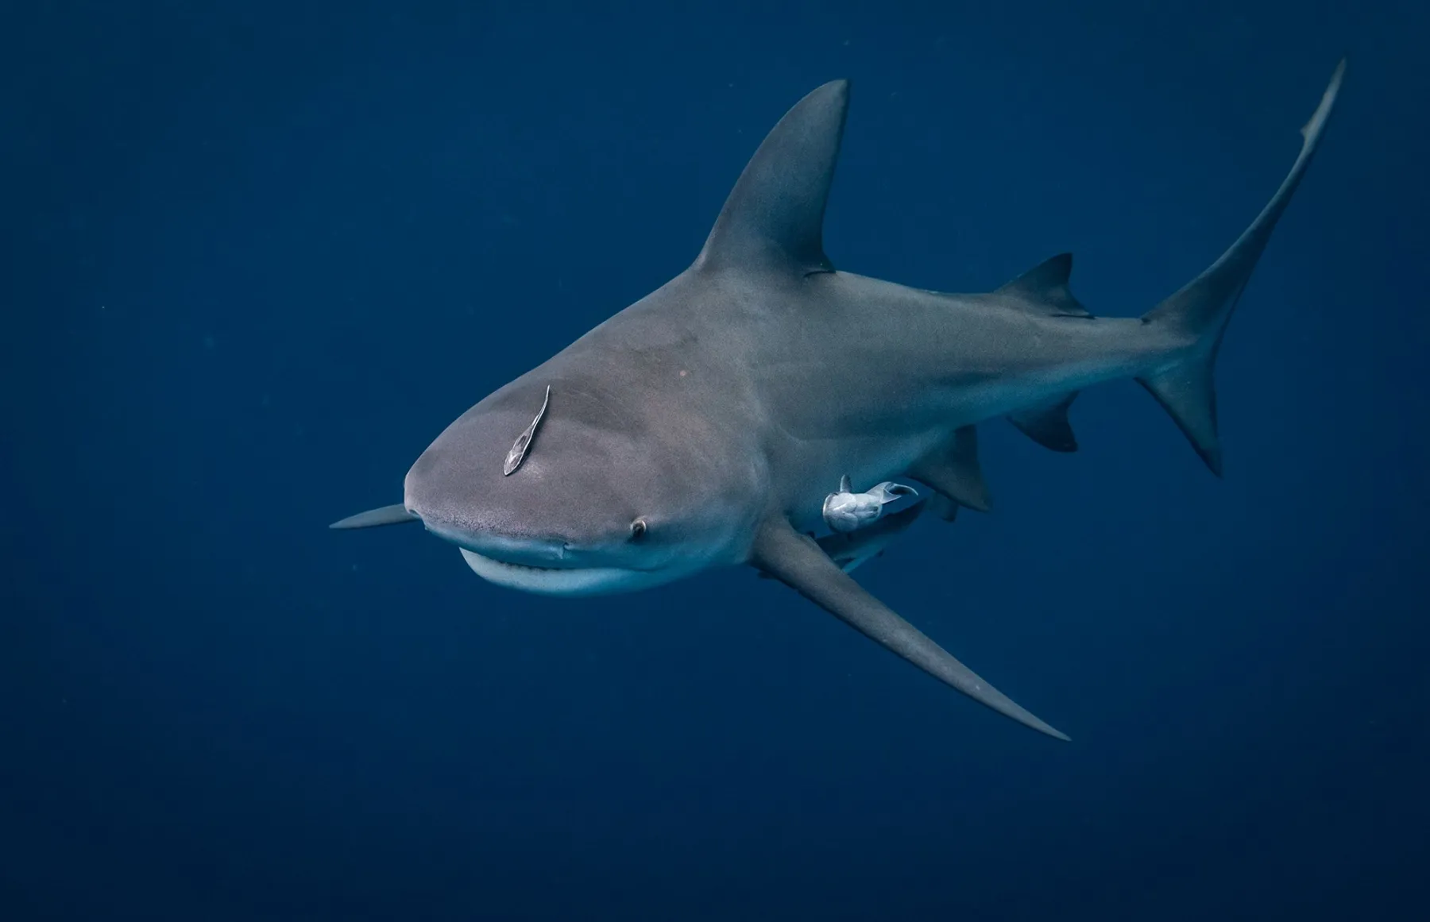
Sharks 7
Total Start-Ups 441

Year Wise Trend
 | Total
2005 | 1
1998 | 1
2006 | 1
2010 | 2
2013 | 2
2012 | 4
2014 | 6
2015 | 8
2016 | 22
2017 | 33
2018 | 41
2021 | 48
2019 | 61
2022 | 61
2023 | 150
Ideas Per Season
 | Total
1 | 152
2 | 169
3 | 120

Deals Locked
 | Total
Offer Received | 248
Offer Not Received | 140
Offer Received | 53
Deals By Sharks
 | Total
Aman | 383
Amit | 128
Anupam | 390
Ashneer | 99
Namita | 361
Peyush | 295
Vineeta | 287

Top 5 Industry Ideas
 | Total
Food | 103
Beauty/Fashion | 93
Manufacturing | 46
Technology/Software | 42
Medical/Health | 36

